Weight Flowchart
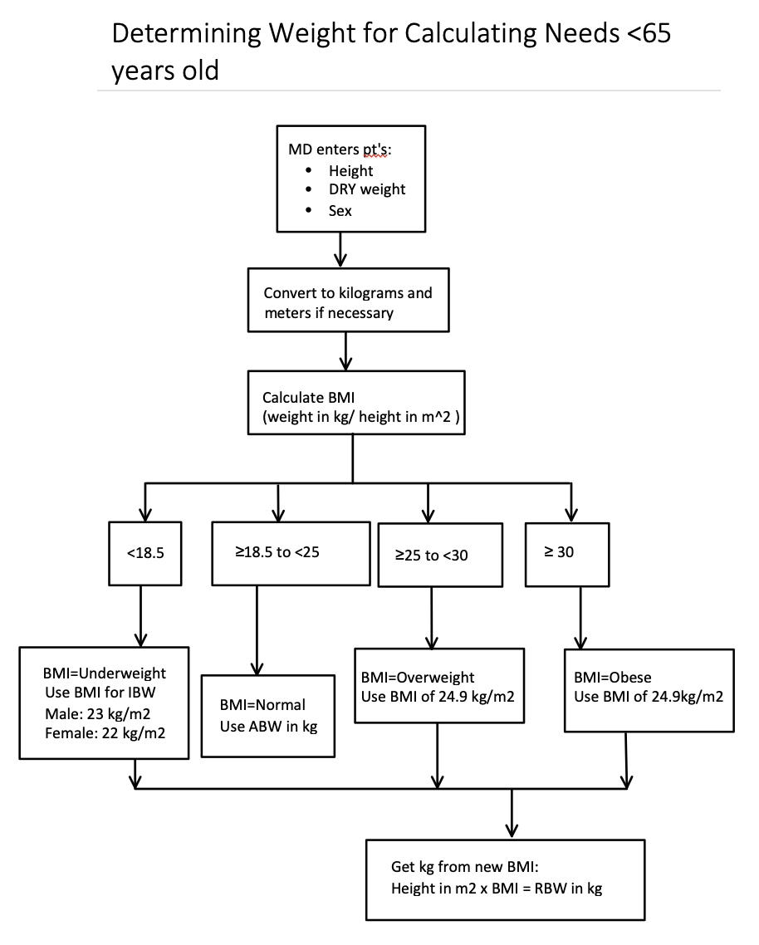

ABW: Actual Body Weight
IBW: Ideal Body Weight
RBW: Recommended Body Weight

